MySolution
Challenge 46:
Numbers Grouping! Designed by @Mehmet Çiçek
The "Question" table provides a list of Product IDs. We aim to consolidate consecutive numbers and display them in the "Result" table. .
For example as the question table includes all the values between 1001 and 1004, we show them by 1001-04.
Question |  | Result
Product ID |  | Product ID
1006 |  | 1001-04
1003 |  | 1006
1016 |  | 1008-13
1013 |  | 1015-16
1018 |  | 1018 |  |  |  |  | Tick | SS | MS | ES
1008 |  |  | 999 |  |  |  |  | FALSE | FALSE | FALSE | 1,000
1001 |  | 0 | 0 | 1 | 1 | 0 | 0 | FALSE | TRUE | FALSE | 1001 | 0 | 0 | 4 | 1 | 1004 | 1001 | 1001-1004
1015 |  | 0 | 0 | 1 | 1 | 0 | 0 | FALSE | TRUE | FALSE | 1002 | 0 | 1 | 5 | 5 | 1006 | 1006 | 1006
1010 |  | 0 | 0 | 1 | 1 | 0 | 0 | FALSE | TRUE | FALSE | 1003 | 0 | 2 | 11 | 6 | 1013 | 1008 | 1008-1013
1009 |  | 0 | 0 | 1 | 2 | 0 | 0 | FALSE | FALSE | TRUE | 1004 | 0 | 3 | 13 | 12 | 1016 | 1015 | 1015-1016
1012 |  | 1 | 1 | 2 | 2 | 1 | 1 | FALSE | FALSE | FALSE | 1006 | 1 | 4 | 14 | 14 | 1018 | 1018 | 1018
1004 |  | 2 | 1 | 2 | 1 | 2 | 1 | TRUE | FALSE | FALSE | 1008 | 2
1002 |  | 2 | 0 | 1 | 1 | 2 | 0 | FALSE | TRUE | FALSE | 1009 | 2
1011 |  | 2 | 0 | 1 | 1 | 2 | 0 | FALSE | TRUE | FALSE | 1010 | 2
 |  | 2 | 0 | 1 | 1 | 2 | 0 | FALSE | TRUE | FALSE | 1011 | 2
 |  | 2 | 0 | 1 | 1 | 2 | 0 | FALSE | TRUE | FALSE | 1012 | 2
 |  | 2 | 0 | 1 | 2 | 2 | 0 | FALSE | FALSE | TRUE | 1013 | 2
 |  | 3 | 1 | 2 | 1 | 3 | 1 | TRUE | FALSE | FALSE | 1015 | 3
 |  | 3 | 0 | 1 | 2 | 3 | 0 | FALSE | FALSE | TRUE | 1016 | 3
 |  | 4 | 1 | 2 | 0 | 4 | 1 | FALSE | FALSE | FALSE | 1018 | 4
 |  |  |  |  |  |  |  |  |  |  | 1,018

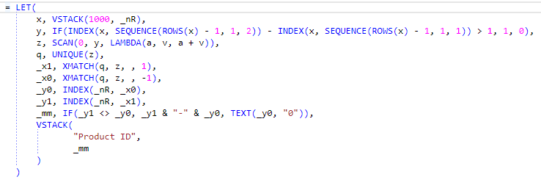
 | Product ID
 | 1001-1004 |  | TRUE
 | 1006 |  | TRUE
 | 1008-1013 |  | TRUE
 | 1015-1016 |  | TRUE
 | 1018 |  | TRUE

PQ_Recursive
Challenge 46:
Numbers Grouping! Designed by @Mehmet Çiçek
The "Question" table provides a list of Product IDs. We aim to consolidate consecutive numbers and display them in the "Result" table. .
For example as the question table includes all the values between 1001 and 1004, we show them by 1001-04.
Question | Result
Product ID | Product ID
1006 | 1001-04
1003 | 1006
1016 | 1008-13
1013 | 1015-16
1018 | 1018
1008
1001 |  | 14 | 1 | #REF! | #REF! | #REF!
1015 | Table1 | 14 | 1 | #REF! | #REF! | #REF!
1010 | 1006 | 14 | 1 | #REF! | #REF! | #REF!
1009 | 1018 | 14 | 1 | #REF! | #REF! | #REF!
1012 | 1008-13 | 14 | 1 | #REF! | #REF! | #REF!
1004 | 1001-04
1002 | 1015-16
1011

Another
Challenge 46:
Numbers Grouping! Designed by @Mehmet Çiçek
The "Question" table provides a list of Product IDs. We aim to consolidate consecutive numbers and display them in the "Result" table. .
For example as the question table includes all the values between 1001 and 1004, we show them by 1001-04.
Question |  |  |  |  |  | Result
Product ID |  |  |  |  |  | Product ID
1006 |  |  |  |  |  | 1001-04
1003 |  |  |  |  |  | 1006
1016 |  |  |  |  |  | 1008-13
1013 |  |  |  |  |  | 1015-16
1018 |  |  |  |  |  | 1018
1008
1001 |  |  |  |  |  |  |  |  |  |  |  |  |  | 14 | 1 | #REF! | #REF! | #REF!
1015 |  |  |  |  |  |  |  |  |  |  |  |  |  | 14 | 1 | #REF! | #REF! | #REF!
1010 |  |  |  |  |  |  |  |  |  |  |  |  |  | 14 | 1 | #REF! | #REF! | #REF!
1009 |  |  |  |  |  |  | Product ID |  |  |  |  |  |  | 14 | 1 | #REF! | #REF! | #REF!
1012 |  |  |  |  |  |  | 1001-1004 |  |  |  |  |  |  | 14 | 1 | #REF! | #REF! | #REF!
1004 |  |  |  |  |  |  | 1006
1002 |  |  |  |  |  |  | 1008-1013
1011 |  |  |  |  |  |  | 1015-1016
 |  |  |  |  |  |  | 1018

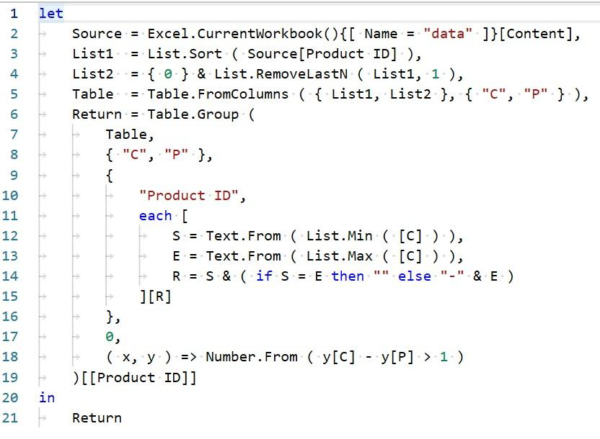

 | 1 | let |  |  |  |  |  |  |  |  |  |  | let
 | 2 |  | Source = Excel . CurrentWorkbook(){[ Name |  |  |  |  |  |  | "data" ]}[Content], |  |  | Source = Excel . CurrentWorkbook(){[ Name "data" ]}[Content],
 | 3 |  | Listlv = List. Sort ( Source[Product ID] ) |  |  |  |  |  |  |  |  |  | Listlv = List. Sort ( Source[Product ID] )
 | 4 |  | List2.8 ,= { e } & List. RemoveLastN ( Listl, 1 ), |  |  |  |  |  |  |  |  |  | List2.8 ,= { e } & List. RemoveLastN ( Listl, 1 ),
 | 5 |  | Table |  | Table. FromCoIumns ( { Listl, List2 } , |  |  |  |  |  | { | "P" } ) | Table Table. FromCoIumns ( { Listl, List2 } , { "P" } )
 | 6 |  | Return ==Tab1e.Group ( |  |  |  |  |  |  |  |  |  | Return ==Tab1e.Group (
 | 7 |  | Table, |  |  |  |  |  |  |  |  |  | Table,
 | 8 |  | { | "P" } |  |  |  |  |  |  |  |  | { "P" }
 | 9 |  | { |  |  |  |  |  |  |  |  |  | {
 | le |  |  | "Product ID", |  |  |  |  |  |  |  |  | "Product ID",
 | 11 |  |  | each [ |  |  |  |  |  |  |  |  | each [
 | 12 |  |  |  | S |  | Text. From ( List. Min ( [C] ) ) |  |  |  |  |  | S Text. From ( List. Min ( [C] ) )
 | 13 |  |  |  | Ec Text. From ( List. Max ( [C] ) ) |  |  |  |  |  |  |  | Ec Text. From ( List. Max ( [C] ) )
 | 14 |  |  |  |  | R = S & ( if S |  | E then | else |  | & E ) |  | R = S & ( if S E then else & E )
 | 15 |  |  | ] [R] |  |  |  |  |  |  |  |  | ] [R]
 | 16 |  | } |  |  |  |  |  |  |  |  |  | }
 | 17 |  | e, |  |  |  |  |  |  |  |  |  | e,
 | 18 |  | ( x, y ) => Number. From ( Y[C] - YIP] > 1 ) |  |  |  |  |  |  |  |  |  | ( x, y ) => Number. From ( Y[C] - YIP] > 1 )
 | 19 |  | ) [ [Product ID] ] |  |  |  |  |  |  |  |  |  | ) [ [Product ID] ]
 | 2 e | in |  |  |  |  |  |  |  |  |  |  | in
 | 21 |  | Return |  |  |  |  |  |  |  |  |  | Return

